Risk Register
 | Risk Register

 | The following risk register identifies potential risks associated with the development and use of the proposed childhood immunisation app over a wide breadth of areas. Each risk is assessed according to its probability of occurring and the potential impact if it occurs, with mitigation actions identified to reduce the likelihood or consequences of each risk. The risk register is to be maintained as a living document throughout the development process, with risks, ratings, mitigation actions, and their status reviewed and updated as the project progresses.
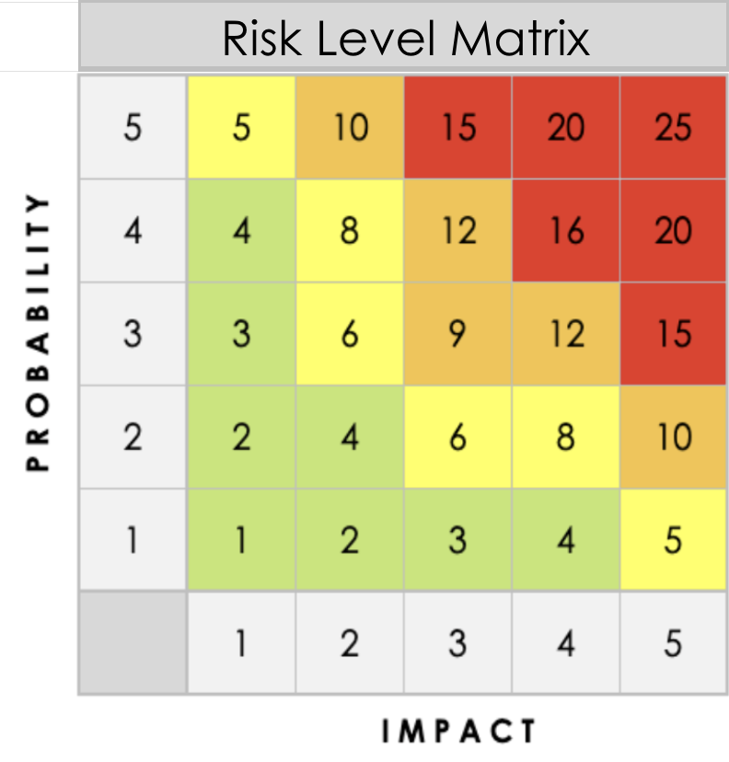
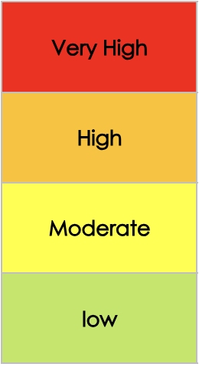
 | Risk analysis
 | Impact of Result
 | 1 | Negligible - Little or no effect on the project/users
 | 2 | Minor - Small disruption with limited consequences
 | 3 | Moderate - Noticeable effect requiring some corrective action
 | 4 | Major - Significant effect on the project or users
 | 5 | Severe - Serious consequences, potentially including harm to users
 | Probability of Occurence
 | 1 | Rare
 | 2 | Unlikely
 | 3 | Possible
 | 4 | Likely
 | 5 | Almost certain
 |  |  |  |  |  | Auto-calculates
Risk ID | Category | Risk Description | Impact Description | Impact Level Rate 1 (LOW) to 5 (HIGH) | Probability Level Rate 1 (LOW) to 5 (HIGH) | Priority Level Impact x Probability Address the highest first. | Mitigation Notes | Status | Owner | Date Identified | Last Reviewed | Notes
R01 | Technical | App performs poorly on low-end phones | Users experience lag, crashes, or are unable to use the app reliably | 4 | 2 | 8 | Keep app lightweight, test regularly on representative low-end devices. |  |  | 2026-08-06
R02 | Technical | App requires too much storage | Users cannot install the app or have to remove other apps/data | 3 | 2 | 6 | optimise images/assets, remove unnecessary dependencies and features. |  |  | 2026-08-06
R03 | Technical | App is incompatible with some commonly used Android versions/devices | Some target users cannot use the app | 4 | 2 | 8 | Identify target Android versions/devices early, test on representative devices. |  |  | 2026-08-06
R04 | Health / Safety | Bugs cause vaccination records or dates to be displayed incorrectly | Users receive incorrect information | 5 | 3 | 15 | Automated tests for date calculations, code reviews |  |  | 2026-08-06
R05 | UI | Users have difficulty navigating the application | Users abandon the app or fail to find important information | 4 | 3 | 12 | Keep navigation simple, minimise steps, conduct usability testing |  |  | 2026-08-06
R06 | UI | Reminders not obvious enough | Users may miss a scheduled vaccination | 4 | 3 | 12 | Make reminders visually prominent; use clear language/icons; test whether users notice and understand reminders. |  |  | 2026-08-06
R07 | Clarity | Text is too complex for users with low literacy | Important health information is misunderstood | 4 | 3 | 12 | Use plain language and short sentences, use visual aids, try to test with users with varying literacy levels |  |  | 2026-08-06
R08 | Clarity | Translated terminology is confusing or inaccurate | Users misunderstand vaccination information | 5 | 3 | 15 | Verify translations, terminology |  |  | 2026-08-09
R09 | UI | The interface relies too heavily on reading | Users with limited literacy cannot navigate the app | 3 | 3 | 9 | Reduce unnecessary text, use icons / visual cues, test the interface with low-literacy users. |  |  | 2026-08-09
R10 | UI | User enters an incorrect child's date of birth | The app generates an incorrect vaccination schedule | 4 | 3 | 12 | Use clear input formats and validation, get confirmation, allow easy correction. |  |  | 2026-08-09
R11 | Health / Safety | Vaccination schedule is implemented incorrectly | Users receive incorrect vaccination dates | 5 | 2 | 10 | Create automated tests for different ages and scenarios, implementation review |  |  | 2026-08-09
R12 | Health / Safety | Source vaccination information is incorrect or outdated | Users receive potentially harmful health information | 5 | 1 | 5 | Use authoritative sources; document source/version/date |  |  | 2026-08-09
R13 | UI | User data is accidentally deleted | Vaccination history is lost | 4 | 2 | 8 | Add confirmation before deletion, provide undo/recovery where practical |  |  | 2026-08-09
R14 | Clarity | Application terminology does not match terminology used by local healthcare providers | Users become confused | 4 | 3 | 12 | Consult local experts if possible, check locally appropriate terminology |  |  | 2026-08-09
R15 | UI | Images/icons are unfamiliar | Users misunderstand information or have issues navigating app | 3 | 3 | 9 | Use simple, recognisable icons, provide labels alongside important icons |  |  | 2026-08-09
R16 | UI | User enters an incorrect vaccination date | Future reminders are incorrect | 4 | 2 | 8 | Validate dates, intuitive date selection, allow records to be reviewed and corrected, test common input errors |  |  | 2026-08-09
R17 | UI | User accidentally marks a vaccination as completed | The app stops reminding them | 4 | 3 | 12 | Require confirmation for completion, clearly distinguish completed/upcoming vaccinations, allow corrections. |  |  | 2026-08-09
R18 | UI | Duplicate child profiles are created | Vaccination records become confusing or inconsistent | 3 | 2 | 6 | Make existing child profiles easy to identify, warn if making possible duplicate, allow profiles to be merged/deleted appropriately. |  |  | 2026-08-09
R19 | Requirements | Requirements are ambiguous | Team members implement different interpretations | 3 | 3 | 9 | Document requirements clearly, discuss ambiguous requirements, obtain stakeholder clarification, maintain requirements document. |  |  | 2026-08-09
R20 | Requirements | Requirements are based on assumptions rather than actual users' needs / behaviour | The final application may not be useful to the target population | 4 | 4 | 16 | Validate addumptions with stakeholders, conduct user research, user testing if possible |  |  | 2026-08-09
R21 | Testing | App is tested primarily on modern phones | Problems on low-end target devices remain undiscovered | 4 | 3 | 12 | Obtain access to representative low-end devices for testing early |  |  | 2026-08-09
R22 | Testing | Limited testing with users who have low literacy | Usability problems remain undiscovered | 3 | 4 | 12 | Use online tools and established standards for low literacy recourses, recruit representative users for usability testing |  |  | 2026-08-09
R23 | Project Management | Development takes longer than expected | Testing and refinement are rushed | 4 | 4 | 16 | assess progress regularly, reduce non-essential features if necessary, reserve time for testing |  |  | 2026-08-09
R24
R25

